Dashboard
BIKE SALES ANALYSIS DASHBOARD

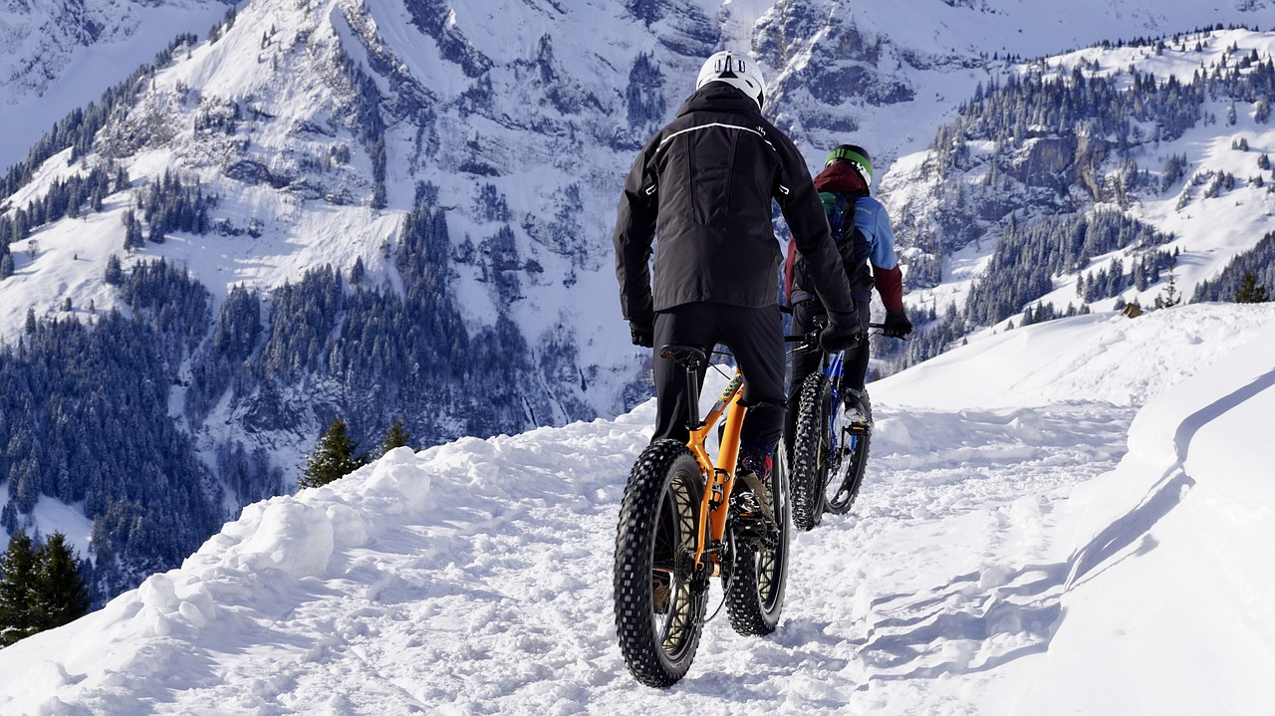
Genders Per Region Buyers
 | Europe | North America | Pacific
Female | 164 | 239 | 86
Male | 136 | 269 | 106
Buyers and Non Buyers Commute Distance Trendline
 | No | Yes
0-1 Miles | 166 | 200
1-2 Miles | 92 | 77
2-5 Miles | 67 | 95
5-10 Miles | 116 | 76
More than 10 Miles | 78 | 33

Age Group Per Region Customers
 | No | Yes
Europe | 51 | 34
North America | 76 | 50
Pacific | 14 | 31
Europe | 95 | 112
North America | 190 | 163
Pacific | 57 | 77
Europe | 6 | 2
North America | 22 | 7
Pacific | 8 | 5
Average Income Buyers and Non Buyers Per Profession
 | Clerical | Management | Manual | Professional | Skilled Manual
No | $28,876 | $85,700 | $14,688 | $74,841 | $49,786
Yes | $33,295 | $87,945 | $19,091 | $75,267 | $53,826

Leads Per Occupation in 3 Regions
 | Clerical | Management | Manual | Professional | Skilled Manual
Europe | 115 | 16 | 102 | 37 | 30
North America | 37 | 108 | 4 | 175 | 184
Pacific | 25 | 49 | 13 | 64 | 41
Average income Marital Status VS Bike Purchase
 | Married | Single
No | $57,492 | $51,085
Yes | $60,346 | $55,760

Pivot Table
Average of Income
who bought a bike | Married | Single | Grand Total
No | $57,492 | $51,085 | $54,875
Yes | $60,346 | $55,760 | $57,963
Grand Total | $58,717 | $53,615 | $56,360
Average income Marital Status VS Bike Purchase

Average of Income | Column Labels
Bought a bike | Clerical | Management | Manual | Professional | Skilled Manual | Grand Total
No | $28,876 | $85,700 | $14,688 | $74,841 | $49,786 | $54,875
Yes | $33,295 | $87,945 | $19,091 | $75,267 | $53,826 | $57,963
Grand Total | $31,073 | $86,647 | $16,723 | $75,072 | $51,608 | $56,360

Average Income Buyers and Non Buyers Per Profession

Count of Commute Distance | Bought a bike
Distance | No | Yes | Grand Total
0-1 Miles | 166 | 200 | 366
1-2 Miles | 92 | 77 | 169
2-5 Miles | 67 | 95 | 162
5-10 Miles | 116 | 76 | 192
More than 10 Miles | 78 | 33 | 111
Grand Total | 519 | 481 | 1000
Buyers and Non Buyers Commute Distance Trendline

Count of Purchased Bike | Column Labels
Row Labels | Europe | North America | Pacific | Grand Total
Female | 164 | 239 | 86 | 489
Male | 136 | 269 | 106 | 511
Grand Total | 300 | 508 | 192 | 1000
Genders Per Region Buyers

Quantity of Buyers and Non Buyers | Column Labels
Age Group Per Region | No | Yes | Grand Total
Adolescent | 141 | 115 | 256
Europe | 51 | 34 | 85
North America | 76 | 50 | 126
Pacific | 14 | 31 | 45
Middle Age | 342 | 352 | 694
Europe | 95 | 112 | 207
North America | 190 | 163 | 353
Pacific | 57 | 77 | 134
Old Age | 36 | 14 | 50
Europe | 6 | 2 | 8
North America | 22 | 7 | 29
Pacific | 8 | 5 | 13
Grand Total | 519 | 481 | 1000
Age Group Per Region Customers

Count of Purchased Bike | Column Labels
Row Labels | Clerical | Management | Manual | Professional | Skilled Manual | Grand Total
Europe | 115 | 16 | 102 | 37 | 30 | 300
North America | 37 | 108 | 4 | 175 | 184 | 508
Pacific | 25 | 49 | 13 | 64 | 41 | 192
Grand Total | 177 | 173 | 119 | 276 | 255 | 1000
Leads Per Occupation in 3 Regions

